4 Chart
 | Flow Charts
Week | Date | Not started | In Draft | Drafted | Under Review | [Actual] Signed off | [Plan] Signed off | Total
1 | 8-Feb-13 | 13 | 18 | 9 | 0 | 0 | 0 | 40
2 | 15-Feb-13 | 6 | 21 | 12 | 1 | 0 | 0 | 40
3 | 22-Feb-13 | 2 | 24 | 12 | 2 | 0 | 0 | 40
4 | 1-Mar-13 | 1 | 28 | 7 | 4 | 0 | 7 | 40
5 | 8-Mar-13 | 0 | 24 | 9 | 5 | 2 | 14 | 40
6 | 15-Mar-13 | 0 | 20 | 10 | 4 | 6 | 21 | 40
7 | 22-Mar-13 | 0 | 10 | 5 | 5 | 20 | 28 | 40
8 | 29-Mar-13 | 0 | 0 | 0 | 0 | 40 | 40 | 40

 | Based on the trends evident in the progress chart, it seems that the project was efficiently managed overall. There was a consistent decline in the number of tasks not yet started or in draft form over the weeks, indicating proactive planning and task initiation. Furthermore, there was a gradual increase in the number of tasks under review and signed off, highlighting effective execution and completion of deliverables. However, it's worth noting a slight uptick in the number of tasks under review during Week 5, suggesting potential bottlenecks or challenges in the review process. Nevertheless, this issue was promptly addressed in subsequent weeks, resulting in the successful completion of the project within the planned timeframe. It's apparent that the actual signoff from week 3 to week 7 was slightly delayed compared to the planned signoff; however, progress was back on track by week 8. Overall, considering the consistent progress and timely completion of tasks, the project can be considered a success.

7 Validation
Exercise 1 - Product Table

How it should look
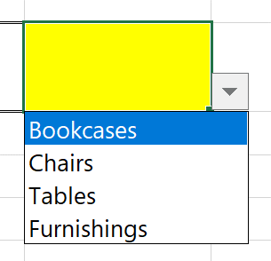
 | Exercise
 | Use the Product Type Table to create a dropdown field in the yellow cell to the right. | Bookcases

 | Product Type Table
 | Bookcases
 | Chairs
 | Tables
 | Furnishings

